Costs
 | Min | Unit | Max | Unit | Notes
Wall R-value | 0 | $/SM | 350 | $/SM
Roof R-value | 0 | $/SM | 320 | $/SM
Roof Absoprtance |  |  |  |  | There's not typically a cost difference for cool roofs
Window U-value | 0 | $/SM | 300 | $/SM
Window SHGC | 0 | $/SM | 60 | $/SM
Scale |  |  | 1080 | $/SM | Here the square feet represents the additional floor area
Orientation |  |  |  |  | There's not typically a cost difference for orientation variations
WWR |  |  | 300 | $/SM
Overhang Depth |  |  | 30 | $/SM
Operable window Openable Area |  |  |  |  | There's not typically a cost difference for operable windows
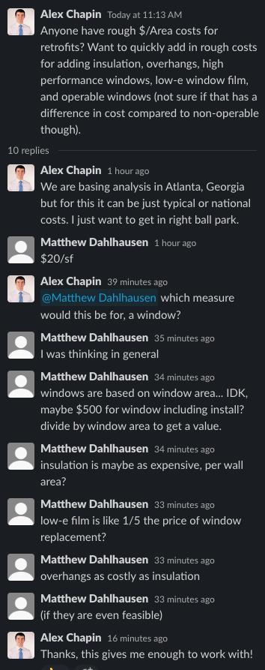

Assumptions:

Insulation | $/SF/inch |  | $/SM/inch
 | 3 |  | 32.29173125
 | R/inch (ft^2*F*h/(BTU*in)) |  | R/inch (m^2*K/(W*in))
 | 5 |  | 0.8805514365

Windows | $/window | Typical size
 | 500 | Assume this is the peak and scale linearly

 | SF/Window
 | 18

 | $/SF
 | 27.77777778

Low-e | $/SF
 | 5.555555556

Overhangs | $/SF
 | 3

Scale | $/SF | per floor area
 | 100 | Rough guess from past projects

